Documentation
# activation-dashboard-ui-automation
Installation and setup
- Python : Version : 3.8
- Selenium : Version : 4.16
- Robot Framework : 6.1.1
- RobotFramework-SeleniumLibrary : 6.2.0

Install Python.
Install PIP.
Install Robot Framework.
Install Robot framework Selenium Library.
Install PyCharm IDE.
Folder Structure :
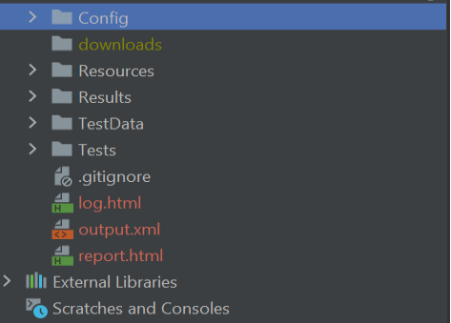

Key Features :
Screenshot: Screenshots will be taken in case of failure, filename having timestamp
Reporting : Default html reporting tool used

Steps to Run Test Cases
Go to folder \activation-dashboard-ui-automation\Tests
Run a single file as : robot filename.robot
Running all the files present in the folder: robot .

